Sheet1
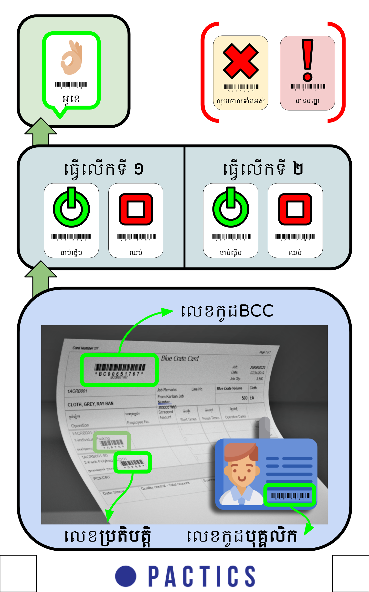
Use case | English | Khmer | in-track # | KH Clip name | EN Clip name | Who's voice? | Accompanying sound effect?
When the scanner is ready to record a new operation from a blank state. | Ready for the next person. | អាចអ្នកបន្ទាប់ចូលបាន | voice test 1 |  |  | Reksmey | Happy noise
When the scanner has successfully completed a record. | All done, thank you. | ត្រឹមត្រូវទាំងអស់ហើយ​ អរគុណ | voice test 1 |  |  | Reksmey | Happy noise
 | Finished, thank you. | រួចរាល់ អរគុណ | voice test 1 | Voice/finishedthankyou_KH.mp3 |  | Reksmey | Happy noise | * assumes script is called locally - this ought to be fixed soon.
 | OK, thank you. | អូខេ អរុគុណ | voice test 1 |  |  | Reksmey | Happy noise
 | Completed, thank you. | បានហើយ អរគុណ | voice test 1 |  |  | Reksmey | Happy noise
When the user requests to clear all data from this latest scan. | Everything has been cleared. Please start again. | លុបរួចហើយអាចចាប់ផ្តើមថ្មី |  |  |  | Reksmey | Clear noise
When they user has tried to commit an operation but they are missing information. | We are still missing… | នៅខ្វះ....... |  |  |  | Reksmey | Minor problem noise
 | Don't forget to put in the... | សូមកុំភ្លេចដាក់...... |  |  |  | Reksmey | Minor problem noise
 | bcc number | លេខកូដBCC |  |  |  | Reksmey
 | operation number | លេខកូដប្រតិបត្តិ |  |  |  | Reksmey
 | employee number | លេខកូដបុគ្គលិក |  |  |  | Reksmey
 | start or finish? | តើអ្នកចាប់ផ្តើមឬក៏ឈប់? |  |  |  | Reksmey
When there is an unspecified problem | Sorry, there's a problem. Ask your supervisor for help. | សូមទោស System មានបញ្ហាហើយ សូមរកប្រធានជួយអ្នក |  |  |  | Reksmey | medium problem noise

to confirm a good input | OK | OK |  |  |  | Reksmey |  | extracted from other sounds.

Integers for counting | 0 | 0 |  |  |  | Reksmey |  | done and integrated into number announcement scripts
 | 1 | 1 |  |  |  | Reksmey
 | 2 | 2 |  |  |  | Reksmey
 | 3 | 3 |  |  |  | Reksmey
 | 4 | 4 |  |  |  | Reksmey
 | 5 | 5 |  |  |  | Reksmey
 | 6 | 6 |  |  |  | Reksmey
 | 7 | 7 |  |  |  | Reksmey
 | 8 | 8 |  |  |  | Reksmey
 | 9 | 9 |  |  |  | Reksmey
 | 10 | 10 |  |  |  | Reksmey
 | 20 | 20 |  |  |  | Reksmey
 | 30 | 30 |  |  |  | Reksmey
 | 40 | 40 |  |  |  | Reksmey
 | 50 | 50 |  |  |  | Reksmey
 | 60 | 60 |  |  |  | Reksmey
 | 70 | 70 |  |  |  | Reksmey
 | 80 | 80 |  |  |  | Reksmey
 | 90 | 90 |  |  |  | Reksmey
 | 100 | 100 |  |  |  | Reksmey

